Graf1
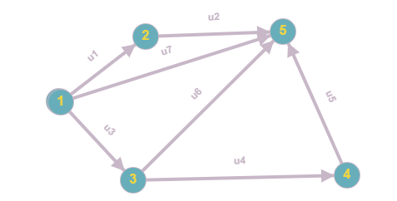
 |  | Lista de adiacență |  |  | Matricea de adiacență |  |  |  |  |  | 0 1
 |  | 1 | 2_3_5_0 |  |  | x1 | x2 | x3 | x4 | x5
 |  | 2 | 5 0 |  | x1 | 0 | 1 | 1 | 0 | 1
 |  | 3 | 4_5_0 |  | x2 | 0 | 0 | 0 | 0 | 1
 |  | 4 | 5_0 |  | x3 | 0 | 0 | 0 | 1 | 1
 |  | 5 | 0 |  | x4 | 0 | 0 | 0 | 0 | 1
 |  |  |  |  | x5 | 0 | 0 | 0 | 0 | 0

 |  |  | Matricea de incidență |  |  |  |  |  | -1, 0, 1, 2
 |  |  | x1 | x2 | x3 | x4 | x5
 |  | u(1,2) | -1 | 1 | 0 | 0 | 0
 |  | u2 | 0 | -1 | 0 | 0 | 1
 |  | u3 | -1 | 0 | 1 | 0 | 0
 |  | u4 | 0 | 0 | -1 | 1 | 0
1 | inițial | u5 | 0 | 0 | 0 | -1 | 1
5 | final | u6 | 0 | 0 | -1 | 0 | 1
2,3,4 | intermediare | u7 | -1 | 0 | 0 | 0 | 1
 | izolate

